Reg form
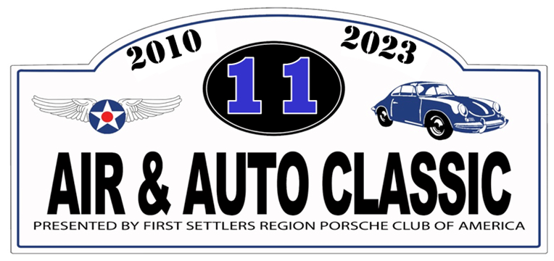

7 October 2023 at the Military Aviation Museum, Virginia Beach, VA
Air & Auto Classic 11 Car Show Participant Registration Form
Please join us for the 11th Air and Auto Classic charity car show on 7 October 2023 from 11:00AM- 4:00PM at the Military Aviation Museum in Virginia Beach (1341 Princess Anne Road, Virginia Beach, VA 23457). Rain date will be 14 October. It's a great opportunity to show off your pride and joy, check out the fabulous aviation museum and its collection of vintage aircraft, and contribute to some great charitable organizations.
Pre-registered show entry is $25 per car ($30 day of show), which includes entry to the Aviation Museum for all car occupants, along with an Air & Auto Classic dash plaque for the first 150 registrants. All show proceeds will go to the Foodbank of Southeastern VA and the Eastern Shore, Samaritan House, Horizons Hampton Roads, and the CHKD Charities. Spectator entry is $30 per car for multiple occupancy, $15 for single, and includes entry to the museum. Registration not required for spectators.
Registration - There are three ways to register: 1. Fill out this form and mail it with your payment to the address below. 2. Register online: http://msreg.com/AirandAutoClassic11. Rock Star Parking registration ($50) is online only. 3. Show up at the show and register on site. We'd appreciate an email letting us know that you plan to attend, particularly if you're coming as a group: registrar@fsrpca.org.
Name
Street Address
City |  |  |  | State |  | Zip
Email address:
Phone #
Club Affiliation

Car Info |  |  |  |  |  |  | Fees
 | Year | Make |  |  | Model |  | $25 per car ($30 day of show)
Car #1 |  |  |  |  |  |  |  | $

Car #2 |  |  |  |  |  |  |  | $

Event t-shirts: If you would like to pre-order event t-shirts, please make your selections and add $20 per shirt to your total.
 | Qty |  | Qty
Small |  | X-Large
Medium |  | 2X Large |  | Total for T-shirts @ $20 per shirt |  |  |  | $
Large

Tally up your cars and t-shirts: |  |  |  |  |  | Total |  | $
Please make your check payable to "PCA - First Settlers Region" and mail it with this form to:
Air & Auto Classic 11 Registrar 2508 Rhodes Ct. Virginia Beach, VA 23456

For complete event info, please go to http://msreg.com/AirandAutoClassic11, email the Event Registrar at registrar@fsrpca.org, or call (757) 818-4873.

